Sheet1
Bug Report
Bug ID | Module / Page | Bug Description | Steps to Reproduce | Test Data | Expected Result | Actual Result | Severity | Status
BR_001 | Search / Product Page | "Add to Cart" button not clickable | 1. Go to Flipkart homepage 2. Search for "shirts men" 3. Click "Self Design" filter 4. Select size "M" 5. Click "Add to Cart" | "shirts men", Size: M | Product should be added to cart | Timeout error: "Expected to find content: 'Add to Cart' but never did" | Medium | Open | 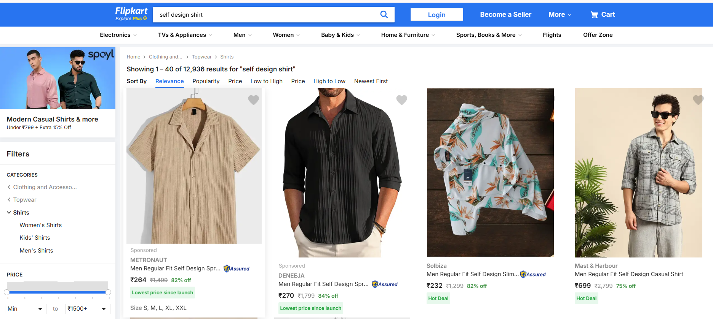
BR_002 | Login / OTP | OTP login page URL assertion failed | 1. Go to Flipkart homepage 2. Trigger login via "My Profile" 3. Enter mobile number 4. Request OTP | Mobile: 9398473184, OTP: 252632 | User should navigate to /account/login page | URL navigated to /account/?rd=0&link= home_account instead of /account/login | High | Open
BR_003 | Cart / Checkout | Checkout fails when cart has items | 1. Add product to cart 2. Go to /viewcart 3. Click "Place Order" 4. Continue to checkout | Product in cart | User should reach checkout page | Timeout or page layout prevents "Place Order" click | High | Open
BR_004 | Homepage / UI Elements | Cart icon not found on homepage | 1. Visit Flipkart homepage | N/A | Cart icon should be visible | Cart icon missing or not detected dynamically | Medium | Open
BR_005 | Footer / Links | Footer links missing on some screens | 1. Scroll to bottom of homepage | N/A | "ABOUT", "Contact Us", "Careers" links should exist | Links not found depending on viewport | Low | Open
BR_006 | Homepage / Modal | Challenger modal sometimes blocks actions | 1. Visit Flipkart homepage 2. Wait for challenger modal to appear 3. Try clicking on search, login, or cart | N/A | Modal should not block main page actions | Modal overlays page and prevents clicks | Medium | Open
Note / Observation: Flipkart UI is dynamic; some elements like the Cart icon, “Add to Cart” button, or Challenger modal may not appear consistently. Tests may fail intermittently due to asynchronous loading or changes in element selectors. Use robust locators and conditional checks to handle these cases.

